NIKE
Nike Textil 2025 |  | PROMPT DELIVERY

Style-No. | Brand | Model | Color | Quality | WHS € | Quantity | S | M | L | XL | XXL | RRP €

CW9779-010 | Nike women | Legging Pro 365 | blk/wht | 78% pol/22% ela | 22.50 | 4800 | 800 | 1600 | 1600 | 800 |  | 44.99

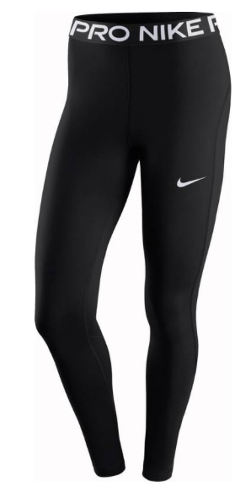
Total |  |  |  |  |  | 4800

